Functional Test
Bug list

Defect ID | Module/Function | Title | Description | QC Activity | Severity | Priority | Status | Created Date | Assigned to | Corrective Action | Note
 | <function name> | Title section | <Describe defect and expected result> Ex: Default value of Status field = blank is incorrect Expected result: when create new document, default value of [Status] field must be "Oppened" | <Type of defect> Ex: User Interface | <Severity of defect> Ex: Cosmetic | <Priority of defect> Ex: High | <Status of defect> Ex: Assigned | <Created date of defect> Ex: 21-Sep-2008 | <Person who is assigned to fix defect> Ex: TungNT | <Actions used to fix defect> Ex: change code to update correct status | <Inset Image, video...>
[Register-3] | Register | _ The placeholder is inconsistent with the actual function. (Password field). | _Visit the URL: Moriitalia.com _ Mouse hover on "Đăng Nhập / Đăng Ký" label or icon. _ Click on internal link "Đăng Ký". Expect: _ All related label and placeholder will show clearly and correct function with textbox content. Result: _ The placeholder is inconsistent with the actual function. (Password field). -> Fail. | System Test | Medium | Medium | Oppened | 13/10/2025
[Register-4] | Register | _ Checkbox border not changes color / interaction. | _Visit the URL: Moriitalia.com _ Mouse hover on "Đăng Nhập / Đăng Ký" label or icon. _ Click on internal link "Đăng Ký". _ Mouse hovers over the checkbox or enable. Expect: _ When the mouse hovers over the checkbox or enable, its border changes color. Result: _ Checkbox border not changes color / interaction. -> Fail. | System Test | Cosmetic | Low | Assigned | 13/10/2025 | BA | _ Should consult the BA to see if this error can be bypassed.
[Register-9] | Register | _ Allow user created account via existed email address with +1 add: userexisted1@domain.extension. | _Visit the URL: Moriitalia.com _ Mouse hover on "Đăng Nhập / Đăng Ký" label or icon. _ Click on internal link "Đăng Ký". _ Enter an already existing email address with '+1' added, following the format: userexisted1@domain.extension _ Enter valid data to in the remaining fields. _ Click on "Đăng Ký" button. Expect: _ Label "Địa chỉ email này đã được sử dụng. Vui lòng đăng nhập hoặc chọn chức năng Quên Mật Khẩu " will appear under email when typing on the field. _ Registration attempt was not completed. Result: _ Allow user created account via email address with +1 add. -> Fail. | System Test | Serious | High | Assigned | 13/10/2025 | DEV | The developer will provide a solution | 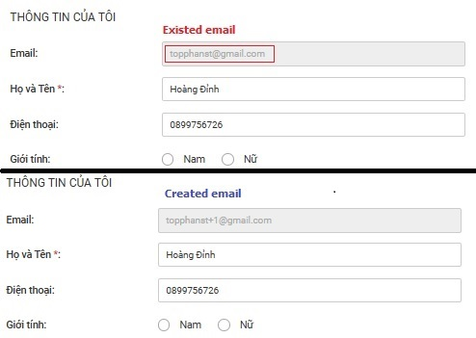
[Register-15] | Register | _ Spaces are allowed in the password field. | _Visit the URL: Moriitalia.com _ Mouse hover on "Đăng Nhập / Đăng Ký" label or icon. _ Click on internal link "Đăng Ký". _ Enter 4 characters including both character and numbers, with a space " " at the end. _ Enter valid data to in the remaining fields. _ Click on "Đăng Ký" button. Expect: _ Label "Mật khẩu không được có khoảng trắng" will appear under password field. _ Registration attempt was not completed. Result: _ Label "Mật khẩu không được có khoảng trắng" will appear under password field." not appear. _ Allow user enter " " at the end. -> Fail. | System Test | Serious | High | Assigned | 13/10/2025 | DEV | The developer will provide a solution
[Sign-in-3] | Sign-in | _ Show / Hide password icon not available. | _Visit the URL: Moriitalia.com _ Mouse hover on "Đăng Nhập / Đăng Ký" label or icon. Expect: _ Show Hide password eye icon 👁️ will display on page and hiden password by default. _ User able to show or hide password by activate / inactivate icon. Result: _ Show / Hide password icon not show on sign-in. -> Not available. | System Test | Medium | Medium | Fixed | 13/10/2025 | DEV | The developer has completed adding the icon and the show/hide password functionality. | 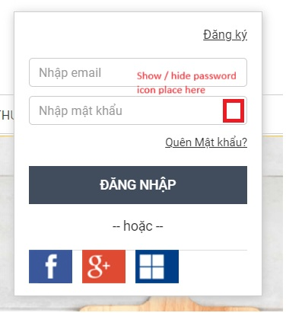
[Sign-in-7] | Sign-in | _ Checkbox "Ghi nhớ thông tin đăng nhập" not available. | _Visit the URL: Moriitalia.com _ Mouse hover on "Đăng Nhập / Đăng Ký" label or icon. Expect: _ Checkbox will show label "Ghi nhớ thông tin đăng nhập" and uncheck by default. _ Allow user enable, disable by click on. Result: _ Checkbox "Ghi nhớ thông tin đăng nhập" not show on sign-in. -> Not available. | System Test | Medium | Medium | Fixed | 13/10/2025 | DEV | The developer has completed adding the checkbox. | 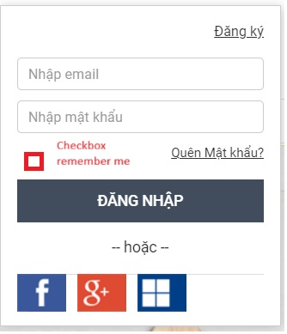
[Sign-in-14] | Sign-in | _ User's login information not remains in the input fields via checkbox "Ghi nhớ thông tin đăng nhập". | _ Mouse hover on "Đăng Nhập / Đăng Ký" label or icon. _ Enter valid data to textbox "Nhập Email", "Nhập Mật Khẩu". _ Activate checkbox "Ghi nhớ thông tin đăng nhập". _ Reload page, return sing-in form again. Expect: _ User's login information remains in the input fields. Result: _ Checkbox "Ghi nhớ thông tin đăng nhập" not show on sign-in. _ User's login information not remains in the input fields. -> Fail. | System Test | Medium | Medium | Fixed | 13/10/2025 | DEV | The developer has completed adding the checkbox and the remember me functionality.
[Sign-in-16] | Sign-in | _ Does not log out or prompt for re-authentication after the user session has expired. | _Visit the URL: Moriitalia.com _ Mouse hover on "Đăng Nhập / Đăng Ký" label or icon. _ Login attempt using account created successfully. _ Press the button "Đăng Nhập". _ Do not perform any actions during the configured timeout period (test 60 minute). _ Pressing the reload or back button on web browser. Expect: _ Redirect the user to the login screen or display a message prompting re-authentication. _ Required re-authentication to access user functional. Result: _ System does not any actions keep user stay sign-in. -> Fail. | System Test | Medium | Medium | Assigned | 13/10/2025 | BA | Consult with the BA to confirm the exact duration of the session timeout period.
[Sign-in-17] | Sign-in | _ System does not show an error message and locks access after 5 sign-in attemps with incorrect password. | _Visit the URL: Moriitalia.com _ Mouse hover on "Đăng Nhập / Đăng Ký" label or icon. _ Attempt (test 5 times) sign-in using incorrect password in existed account. _ Press the button "Đăng Nhập". Expect: _The system will show ""Bạn đã nhập sai mật khẩu 5 lần. Vui lòng thử lại sau 10 phút.". _ Temporarily lock access and require a 10-minute waiting period before allowing further login attempts. Result: _System does not show an error message and locks access after 5 sign-in attempts with an incorrect password. -> Fail. | System Test | Serious | High | Assigned | 13/10/2025 | Dev | The developer will provide a solution
[Change Password-1] | Change Password | _Missing label "Độ Mạnh Mật Khẩu" on the Change Password page. | _ Visit the URL: Moriitalia.com _ The user successfully sign-in into the system. _ Mouse hover on "User Name" label or icon. _ Click on the dropdown link "Thông tin của tôi" and select "Đổi Mật Khẩu". Expect: _ The Forgot Password interface wil present the following fields: + Title "Đổi Mật Khẩu". + Textbox "Mật khẩu cũ" + Textbox "Mẩu khẩu mới" + Textbox "Xác nhận lại mật khẩu" + Label "Độ Mạnh Mật Khẩu" + Button "ĐỔI MẬT KHẨU" Result: _ Missing label "Độ Mạnh Mật Khẩu" on the Change Password page -> Fail. | System Test | Medium | High | Assigned | 15/10/2025 | DEV | The developer will provide a solution | 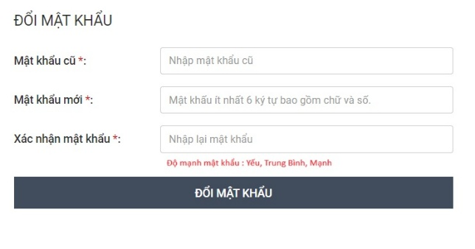
[Change Password-4] | Change Password | _ The placeholder is inconsistent with the actual function. | _ Visit the URL: Moriitalia.com _ The user successfully sign-in into the system. _ Mouse hover on "User Name" label or icon. _ Click on the dropdown link "Thông tin của tôi" and select "Đổi Mật Khẩu". Expect: _ System will display blank Textbox with placeholder "Mật khẩu ít nhất 4 ký tự bao gồm chữ và số" by default. _ Label "Mật khẩu mới*:" will align correctly with textbox. _ Allow user input up to 20 character in textbox. _ The placeholder will automatically disappear and character are securely hiden *** when the user starts typing. Result: _ The placeholder is inconsistent with the actual function. -> Fail. | System Test | Medium | Low | Assigned | 15/10/2025 | DEV | The developer will provide a solution | 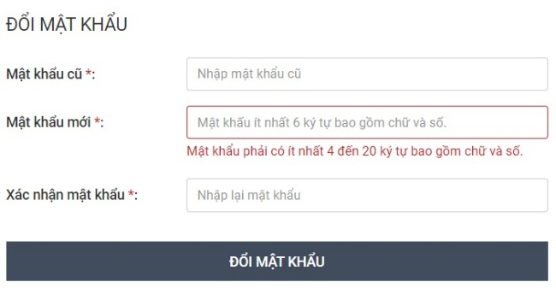
[Change Password-6] | Change Password | _ "Mật Khẩu Cũ" or "Mật Khẩu Mới" was not displayed password strength (e.g., "Yếu", "Trung Bình", "Mạnh") | _ Visit the URL: Moriitalia.com _ The user successfully sign-in into the system. _ Mouse hover on "User Name" label or icon. _ Click on the dropdown link "Thông tin của tôi" and select "Đổi Mật Khẩu". Expect: _ Either the "Mật Khẩu Cũ" or "Mật Khẩu Mới" field should be displayed password strength (e.g., "Yếu", "Trung Bình", "Mạnh") when user enter the password. Result: _ System was not displayed password strength functional via format "Độ Mạnh Mật Khẩu: [Yếu,Trung Bình, Mạnh]". -> Not available. | System Test | Medium | High | Assigned | 15/10/2025 | DEV | The developer will provide a solution

Smoke Test
Bug list

Defect ID | Module/Function | Title | Description | QC Activity | Severity | Priority | Status | Created Date | Assigned to | Corrective Action | Note
 | <function name> | Title section | <Describe defect and expected result> Ex: Default value of Status field = blank is incorrect Expected result: when create new document, default value of [Status] field must be "Oppened" | <Type of defect> Ex: User Interface | <Severity of defect> Ex: Cosmetic | <Priority of defect> Ex: High | <Status of defect> Ex: Assigned | <Created date of defect> Ex: 21-Sep-2008 | <Person who is assigned to fix defect> Ex: TungNT | <Actions used to fix defect> Ex: change code to update correct status | <Inset Image, video...>
[Login / Registration-3] | Registration | _ System not show message when user create account. | _ Visit the URL: Moriitalia.com _ Mouse hover on "Đăng Nhập / Đăng Ký" label or icon. _ Click on internal link "Đăng Ký". _ Enter valid data into the field "Họ và Tên", "Email","Điện thoại", "Mậu Khẩu", "Xác Nhận Mật Khẩu" _ Activate Checkbox "Tôi đã đọc và đồng ý với Chính sách và Qui Định". _ Press the button "Đăng Ký". Expect: _ System will show message "Xin chào…, Bạn đã đăng kí thành công.Nhấn OK để quay trờ về trang chủ." Result: _ System not show message, account was created and directly go to homepage. - > Fail. | System Test | Cosmetic | Low | Oppened | 13/10/2025
[Login / Registration-4] | Login | _ System not show message when user successfully log-in into page. | _Visit the URL: Moriitalia.com _ Mouse hover on "Đăng Nhập / Đăng Ký" label or icon. _ Login attempt using account created successfully in test case [Login / Registration-3] (required success). _ Press the button "Đăng Nhập". Expect: _ System will show message "Xin Chào , User". Result: _ System not shown message, user log-in successfuly and directly go to homepage. -> Fail. | System Test | Cosmetic | Low | Oppened
[Login / Registration-5] | Login | _ System not show message when user unsuccessfully log-in into page. | _Visit the URL: Moriitalia.com _ Mouse hover on "Đăng Nhập / Đăng Ký" label or icon. _ Login attempt using account created successfully in test case [Login / Registration-3] (required success). _ Press the button "Đăng Nhập". Expect: _ System will show message "Đăng nhập không thành công, vui lòng thử lại". Result: _ System not shown message, user log-in unsuccessfully and redirect to Login screen. -> Fail. | System Test | Cosmetic | Low | Oppened | 13/10/2025
[Order Payment-3] | Order Payment | _ Delivery method is disabled / not available. | _Visit the URL: Moriitalia.com _The Product "Nồi Cơm Điện Tách Đường Kuchenzimmer 2L-013628" has been added in cart and process checkout. _ Enter valid data into Shipping Address "Địa Chỉ Giao Hàng" _ Press the button "Tiếp Tục" _ Select method Standard Shipping. _ Press the button "Tiếp Tục" Expect: _ All selection box in Delivery Method will be hide, only show Delivery Method after selected. _ Payment method "Phương Thức Thanh Toán" will be enabled. Result: _ Delivery method is disable , not allow user select and system automatically move to payment method. -> Not Available. | System Test | Fatal | Immediately | Assigned | 13/10/2025 | Dev A | 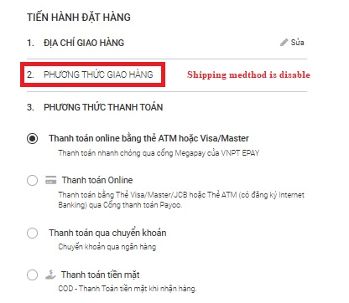 The developer will provide a solution
[Order Payment-5] | Order Payment | _ The Order confirmation screen is missing features. | _Visit the URL: Moriitalia.com _The Product "Nồi Cơm Điện Tách Đường Kuchenzimmer 2L-013628" has been added in cart and process checkout. _ Enter valid data into Shipping Address "Địa Chỉ Giao Hàng" _ Press the button "Tiếp Tục" _ Select method Standard Shipping. _ Press the button "Tiếp Tục" _ Select method COD. _ Press the button "Tiếp Tục" Expect: _ Label "Thanh toán tiền mặt khi nhận hàng" will show. _ Order Confirmation " XÁC NHẬN ĐƠN HÀNG" will be enabled and show correct price, shipping fee, tax, discount, total amount. Result: _ Missing features: label "Thanh toán tiền mặt khi nhận hàng", tax, discount. -> Fail. | System Test | Medium | Medium | Assigned | 13/10/2025 | Dev A | The developer will provide a solution | 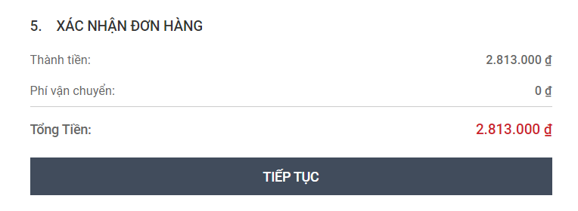
[Order Payment-6] | Order Payment | _ Process checkout was not completed, user cannot purchase product. | _Visit the URL: Moriitalia.com _The Product "Nồi Cơm Điện Tách Đường Kuchenzimmer 2L-013628" has been added in cart and process checkout. _ Enter valid data into Shipping Address "Địa Chỉ Giao Hàng" _ Press the button "Tiếp Tục" _ Select method Standard Shipping. _ Press the button "Tiếp Tục" _ Select method COD. _ Press the button "Tiếp Tục" 3 times. Expect: _ System wil send message "Thanh Toán Thành Công". _ Order Id will be created and send to user via email. _ Order status will be update to "Paid" . Result: _ User cannot purchase product, system redirect to error page -> Fail. | System Test | Fatal | Immediately | Assigned | 13/10/2025 | Dev A | The developer will provide a solution | 

